11_Giỏ hàng
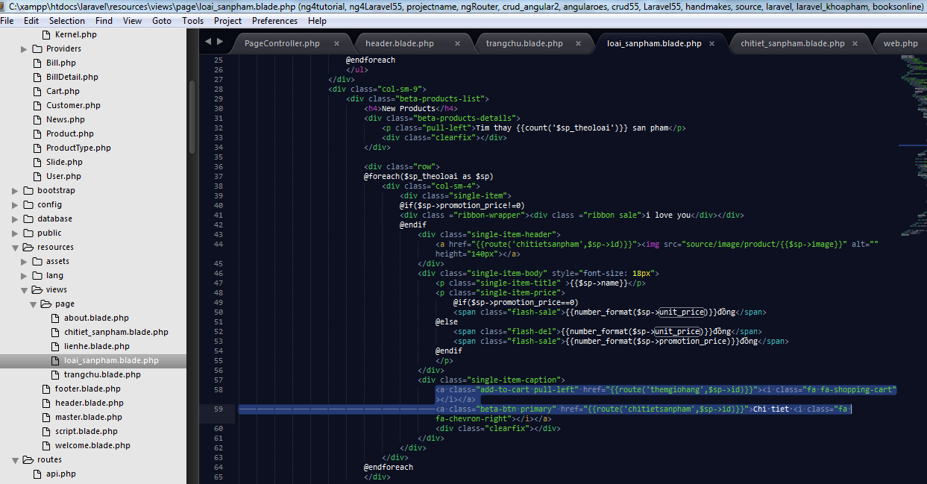
 |  |  | PHP Laravel 5x - Website bán hàng Bài 12: Giỏ hàng

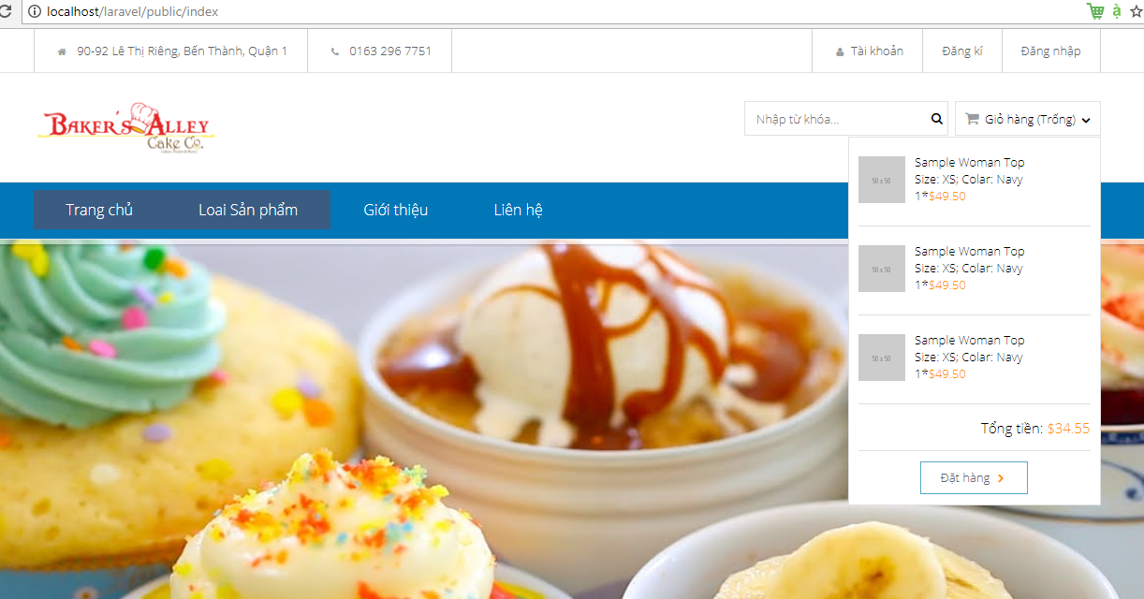

 |  |  |  |  |  | <?php

 |  |  |  |  |  | namespace App;

 |  |  |  |  |  | class Cart
Buoc 1 |  |  |  |  |  | {
 | Dau tien,chung ta tien hanh tao 1 model ten la cart.php |  |  |  |  |  | public $items = null;
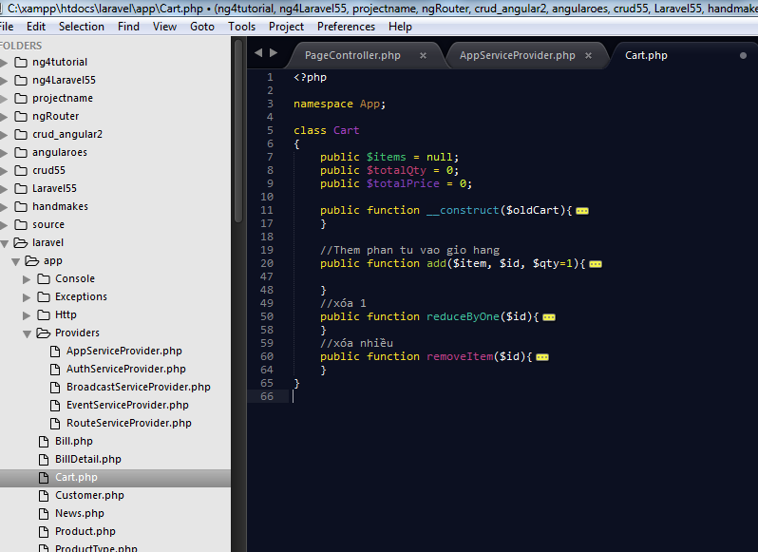
 |  |  |  |  |  |  | public $totalQty = 0; |  |  |  | Khoi tao cac gia tri ban dau co trong gio hang
 |  |  |  |  |  |  | public $totalPrice = 0;

 |  |  |  |  |  |  | public function __construct($oldCart){
 |  |  |  |  |  |  |  | if($oldCart){
 |  |  |  |  |  |  |  |  | $this->items = $oldCart->items; |  |  |  |  | Neu trong gia hang kg co gi($oldcart=null), thi khoi tao cac gia tri
 |  |  |  |  |  |  |  |  | $this->totalQty = $oldCart->totalQty;
 |  |  |  |  |  |  |  |  | $this->totalPrice = $oldCart->totalPrice;
 |  |  |  |  |  |  |  | }
 |  |  |  |  |  |  | }

 |  |  |  |  |  |  | //Them phan tu vao gio hang
 |  |  |  |  |  |  | public function add($item, $id, $qty=1){
 |  |  |  |  |  |  |  | if($item->promotion_price == 0){
 |  |  |  |  |  |  |  |  | $giohang = ['qty'=>0, 'price' => $item->unit_price, 'item' => $item];
 |  |  |  |  |  |  |  |  | if($this->items){
 |  |  |  |  |  |  |  |  |  | if(array_key_exists($id, $this->items)){
 |  |  |  |  |  |  |  |  |  |  | $giohang = $this->items[$id];
 |  |  |  |  |  |  |  |  |  | }
 |  |  |  |  |  |  |  |  | }
 |  |  |  |  |  |  |  |  | $giohang['qty'] = $giohang['qty'] + $qty;
 |  |  |  |  |  |  |  |  | $giohang['price'] = $item->unit_price * $giohang['qty'];
 |  |  |  |  |  |  |  |  | $this->items[$id] = $giohang;
 |  |  |  |  |  |  |  |  | $this->totalQty = $this->totalQty + $qty;
 |  |  |  |  |  |  |  |  | $this->totalPrice += $item->unit_price*$giohang['qty'];
 |  |  |  |  |  |  |  | }
 |  |  |  |  |  |  |  | else{
 |  |  |  |  |  |  |  |  | $giohang = ['qty'=>0, 'price' => $item->promotion_price, 'item' => $item];
 |  |  |  |  |  |  |  |  | if($this->items){
 |  |  |  |  |  |  |  |  |  | if(array_key_exists($id, $this->items)){
 |  |  |  |  |  |  |  |  |  |  | $giohang = $this->items[$id];
Buoc 2 |  |  |  |  |  |  |  |  |  | }
 | V phan Cart() dduoc hien thi phan header() , nen chung ta se ly cart o phan header |  |  |  |  |  |  |  | }
 | Vi xly phan header, nen chung ta tien hanh code o phan AppServiceProvider.php , de gui thong tin di |  |  |  |  |  |  |  | $giohang['qty'] = $giohang['qty'] + $qty;
 | Chung ta dung function Boot trong AppServiceProvider.php de truyenn thong tin cua gio hang qua ben View |  |  |  |  |  |  |  | $giohang['price'] = $item->promotion_price * $giohang['qty'];
 |  |  |  |  |  |  |  |  | $this->items[$id] = $giohang;
 |  |  |  |  |  |  |  |  | $this->totalQty = $this->totalQty + $qty;
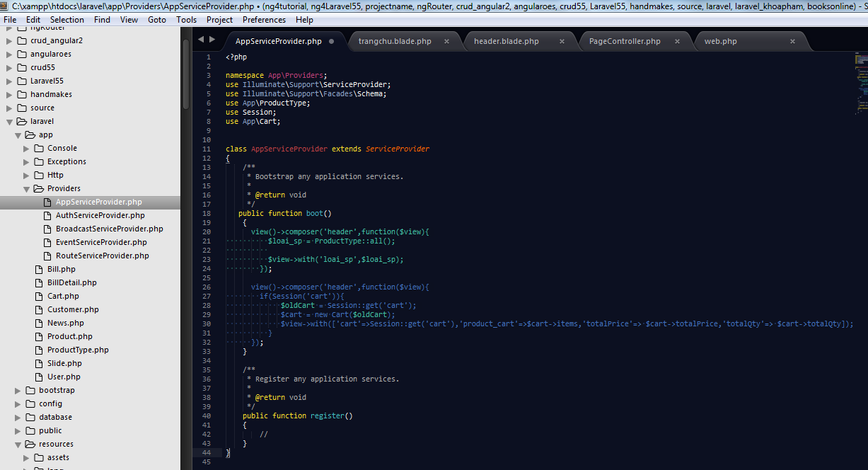
 |  |  |  |  |  |  |  |  | $this->totalPrice += $item->promotion_price*$giohang['qty'];
 |  |  |  |  |  |  |  | }

 |  |  |  |  |  |  | }
 |  |  |  |  |  |  | //xóa 1
 |  |  |  |  |  |  | public function reduceByOne($id){
 |  |  |  |  |  |  |  | $this->items[$id]['qty']--;
 |  |  |  |  |  |  |  | $this->items[$id]['price'] -= $this->items[$id]['item']['price'];
 |  |  |  |  |  |  |  | $this->totalQty--;
 |  |  |  |  |  |  |  | $this->totalPrice -= $this->items[$id]['item']['price'];
 |  |  |  |  |  |  |  | if($this->items[$id]['qty']<=0){
 |  |  |  |  |  |  |  |  | unset($this->items[$id]);
 |  |  |  |  |  |  |  | }
 |  |  |  |  |  |  | }
 |  |  |  |  |  |  | //xóa nhiều
 |  |  |  |  |  |  | public function removeItem($id){
 |  |  |  |  |  |  |  | $this->totalQty -= $this->items[$id]['qty'];
 |  |  |  |  |  |  |  | $this->totalPrice -= $this->items[$id]['price'];
 |  |  |  |  |  |  |  | unset($this->items[$id]);
 |  |  |  |  |  |  | }
 |  |  |  |  |  | }

 |  | <?php

 |  | namespace App\Providers;
 |  | use Illuminate\Support\ServiceProvider;
 |  | use Illuminate\Support\Facades\Schema;
 |  | use App\ProductType;
 |  | use Session;
 |  | use App\Cart;

 |  | class AppServiceProvider extends ServiceProvider
 |  | {
 |  | /**
 |  | * Bootstrap any application services.
 |  | *
 |  | * @return void
 |  | */
 |  | public function boot()
 |  | {
 |  | view()->composer('header',function($view){
 |  | $loai_sp = ProductType::all();

 |  | $view->with('loai_sp',$loai_sp);
 |  | });

 |  | view()->composer('header',function($view){
 |  | if(Session('cart')){
 |  | $oldCart = Session::get('cart');
 |  | $cart = new Cart($oldCart);
 |  | $view->with(['cart'=>Session::get('cart'),'product_cart'=>$cart->items,'totalPrice'=> $cart->totalPrice,'totalQty'=> $cart->totalQty]);
 |  | }
 |  | });
 |  | }

 |  | /**
 |  | * Register any application services.
 |  | *
 |  | * @return void
 |  | */
 |  | public function register()
 |  | {
 |  | //
 |  | }
 |  | }

Buoc 2 |  | Cau hinh route() cho gio hang

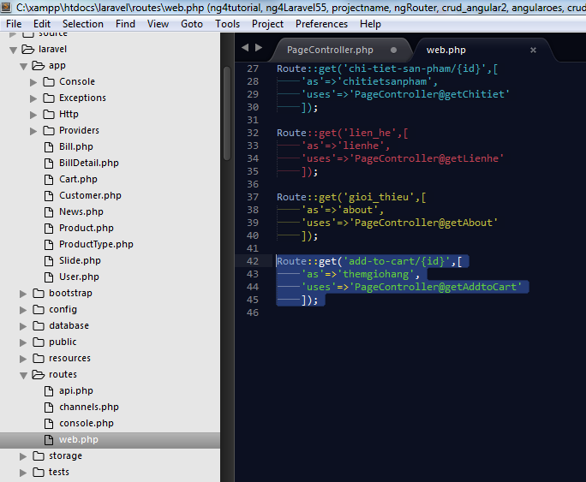

 |  |  |  | Route::get('add-to-cart/{id}',[
 |  |  |  |  | 'as'=>'themgiohang',
 |  |  |  |  | uses'=>'PageController@getAddtoCart'
 |  |  |  |  | ]);

Buoc 3 |  | Thuc hien vao trong PageControler de viet fucntion getAddtoCar()

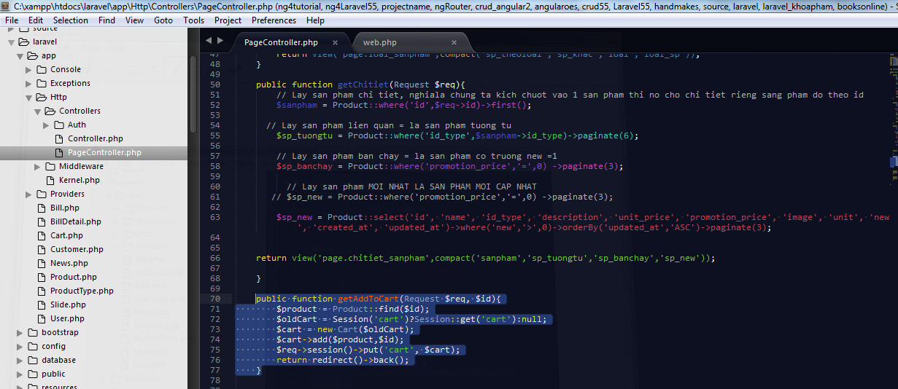

 |  |  |  |  |  | public function getAddToCart(Request $req, $id){
 |  |  |  |  |  | $product = Product::find($id);
 |  |  |  |  |  | $oldCart = Session('cart')?Session::get('cart'):null;
 |  |  |  |  |  | $cart = new Cart($oldCart);
 |  |  |  |  |  | $cart->add($product,$id);
 |  |  |  |  |  | $req->session()->put('cart', $cart);
 |  |  |  |  |  | return redirect()->back();
 |  |  |  |  |  | }

 |  |  |  |  |  |  |  |  |  |  |  | <div id="header">
Buoc 4 |  |  |  |  |  |  |  |  |  |  |  |  |  | <div class="header-top">
 |  | Cau hinh va cho hien thi thong tin da dat hang o phan header.blade.php |  |  |  |  |  |  |  |  |  |  |  |  | <div class="container">
 |  |  |  |  |  |  |  |  |  |  |  |  |  |  |  | <div class="pull-left auto-width-left">
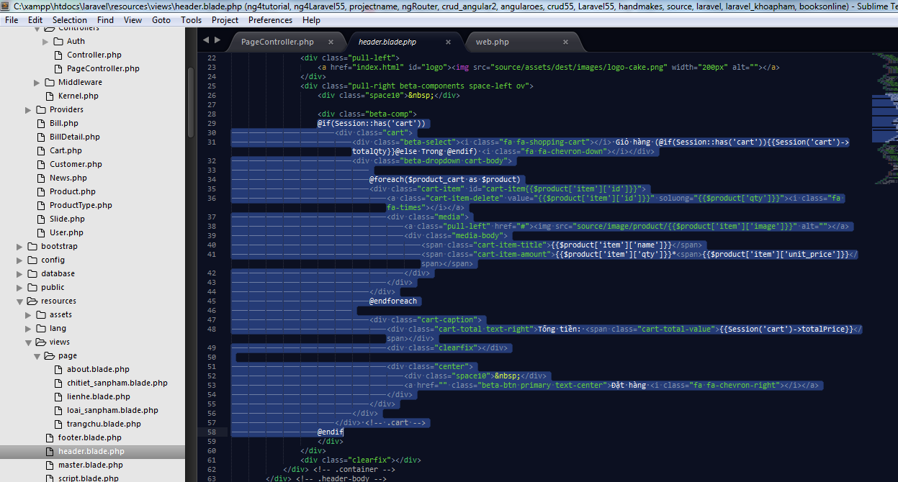
 |  |  |  |  |  |  |  |  |  |  |  |  |  |  |  |  | <ul class="top-menu menu-beta l-inline">
 |  |  |  |  |  |  |  |  |  |  |  |  |  |  |  |  |  | <li><a href=""><i class="fa fa-home"></i> 90-92 Lê Thị Riêng, Bến Thành, Quận 1</a></li>
 |  |  |  |  |  |  |  |  |  |  |  |  |  |  |  |  |  | <li><a href=""><i class="fa fa-phone"></i> 0163 296 7751</a></li>
 |  |  |  |  |  |  |  |  |  |  |  |  |  |  |  |  | </ul>
 |  |  |  |  |  |  |  |  |  |  |  |  |  |  |  | </div>
 |  |  |  |  |  |  |  |  |  |  |  |  |  |  |  | <div class="pull-right auto-width-right">
 |  |  |  |  |  |  |  |  |  |  |  |  |  |  |  |  | <ul class="top-details menu-beta l-inline">
 |  |  |  |  |  |  |  |  |  |  |  |  |  |  |  |  |  | <li><a href="#"><i class="fa fa-user"></i>Tài khoản</a></li>
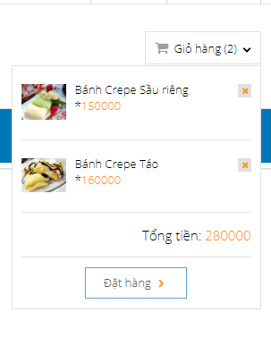
 |  |  |  |  |  |  |  |  |  |  |  |  |  |  |  |  |  | <li><a href="#">Đăng kí</a></li>
 |  |  |  |  |  |  |  |  |  |  |  |  |  |  |  |  |  | <li><a href="#">Đăng nhập</a></li>
 |  |  |  |  |  |  |  |  |  |  |  |  |  |  |  |  | </ul>
 |  |  |  |  |  |  |  |  |  |  |  |  |  |  |  | </div>
 |  |  |  |  |  |  |  |  |  |  |  |  |  |  |  | <div class="clearfix"></div>
 |  |  |  |  |  |  |  |  |  |  |  |  |  |  | </div> <!-- .container -->
 |  |  |  |  |  |  |  |  |  |  |  |  |  | </div> <!-- .header-top -->
 |  |  |  |  |  |  |  |  |  |  |  |  |  | <div class="header-body">
 |  |  |  |  |  |  |  |  |  |  |  |  |  |  | <div class="container beta-relative">
 |  |  |  |  |  |  |  |  |  |  |  |  |  |  |  | <div class="pull-left">
 |  |  |  |  |  |  |  |  |  |  |  |  |  |  |  |  | <a href="index.html" id="logo"><img src="source/assets/dest/images/logo-cake.png" width="200px" alt=""></a>
 |  |  |  |  |  |  |  |  |  |  |  |  |  |  |  | </div>
 |  |  |  |  |  |  |  |  |  |  |  |  |  |  |  | <div class="pull-right beta-components space-left ov">
 |  |  |  |  |  |  |  |  |  |  |  |  |  |  |  |  | <div class="space10">&nbsp;</div>

 |  |  |  |  |  |  |  |  |  |  |  |  |  |  |  |  | <div class="beta-comp">
 |  |  |  |  |  |  |  |  |  |  |  |  |  |  |  |  | @if(Session::has('cart'))
 |  |  |  |  |  |  |  |  |  |  |  |  |  |  |  |  |  | <div class="cart">
 |  |  |  |  |  |  |  |  |  |  |  |  |  |  |  |  |  |  | <div class="beta-select"><i class="fa fa-shopping-cart"></i> Giỏ hàng (@if(Session::has('cart')){{Session('cart')->totalQty}}@else Trong @endif) <i class="fa fa-chevron-down"></i></div>
 |  |  |  |  |  |  |  |  |  |  |  |  |  |  |  |  |  |  | <div class="beta-dropdown cart-body">

 |  |  |  |  |  |  |  |  |  |  |  |  |  |  |  |  |  |  |  | @foreach($product_cart as $product)
 |  |  |  |  |  |  |  |  |  |  |  |  |  |  |  |  |  |  |  | <div class="cart-item" id="cart-item{{$product['item']['id']}}">
 |  |  |  |  |  |  |  |  |  |  |  |  |  |  |  |  |  |  |  |  | <a class="cart-item-delete" value="{{$product['item']['id']}}" soluong="{{$product['qty']}}"><i class="fa fa-times"></i></a>
 |  |  |  |  |  |  |  |  |  |  |  |  |  |  |  |  |  |  |  |  | <div class="media">
 |  |  |  |  |  |  |  |  |  |  |  |  |  |  |  |  |  |  |  |  |  | <a class="pull-left" href="#"><img src="source/image/product/{{$product['item']['image']}}" alt=""></a>
 |  |  |  |  |  |  |  |  |  |  |  |  |  |  |  |  |  |  |  |  |  | <div class="media-body">
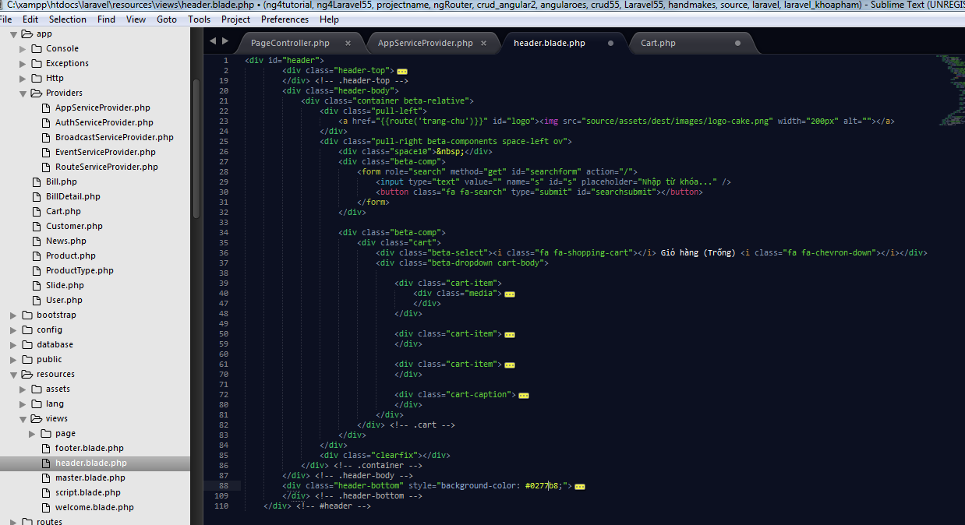
Xoa bot 2 phan cart-item nay
 |  |  |  |  |  |  |  |  |  |  |  |  |  |  |  |  |  |  |  |  |  |  | <span class="cart-item-title">{{$product['item']['name']}}</span>
 |  |  |  |  |  |  |  |  |  |  |  |  |  |  |  |  |  |  |  |  |  |  | <span class="cart-item-amount">{{$product['item']['qty']}}*<span>{{$product['item']['unit_price']}}</span></span>
 |  |  |  |  |  |  |  |  |  |  |  |  |  |  |  |  |  |  |  |  |  | </div>
 |  |  |  |  |  |  |  |  |  |  |  |  |  |  |  |  |  |  |  |  | </div>
 |  |  |  |  |  |  |  |  |  |  |  |  |  |  |  |  |  |  |  | </div>
 |  |  |  |  |  |  |  |  |  |  |  |  |  |  |  |  |  |  |  | @endforeach

 |  |  |  |  |  |  |  |  |  |  |  |  |  |  |  |  |  |  |  | <div class="cart-caption">
 |  |  |  |  |  |  |  |  |  |  |  |  |  |  |  |  |  |  |  |  | <div class="cart-total text-right">Tổng tiền: <span class="cart-total-value">{{number_format(Session('cart')->totalPrice)}} đồng</span></div>
 |  |  |  |  |  |  |  |  |  |  |  |  |  |  |  |  |  |  |  |  | <div class="clearfix"></div>

 |  |  |  |  |  |  |  |  |  |  |  |  |  |  |  |  |  |  |  |  | <div class="center">
 |  |  |  |  |  |  |  |  |  |  |  |  |  |  |  |  |  |  |  |  |  | <div class="space10">&nbsp;</div>
 |  |  |  |  |  |  |  |  |  |  |  |  |  |  |  |  |  |  |  |  |  | <a href="" class="beta-btn primary text-center">Đặt hàng <i class="fa fa-chevron-right"></i></a>
 |  |  |  |  |  |  |  |  |  |  |  |  |  |  |  |  |  |  |  |  | </div>
 |  |  |  |  |  |  |  |  |  |  |  |  |  |  |  |  |  |  |  | </div>
 |  |  |  |  |  |  |  |  |  |  |  |  |  |  |  |  |  |  | </div>
 |  |  |  |  |  |  |  |  |  |  |  |  |  |  |  |  |  | </div> <!-- .cart -->
 |  |  |  |  |  |  |  |  |  |  |  |  |  |  |  |  | @endif
 |  |  |  |  |  |  |  |  |  |  |  |  |  |  |  |  | </div>
 |  |  |  |  |  |  |  |  |  |  |  |  |  |  |  | </div>
 |  |  |  |  |  |  |  |  |  |  |  |  |  |  |  | <div class="clearfix"></div>
 |  |  |  |  |  |  |  |  |  |  |  |  |  |  | </div> <!-- .container -->
 |  |  |  |  |  |  |  |  |  |  |  |  |  | </div> <!-- .header-body -->
 |  |  |  |  |  |  |  |  |  |  |  |  |  | <div class="header-bottom" style="background-color: #0277b8;">
 |  |  |  |  |  |  |  |  |  |  |  |  |  |  | <div class="container">
 |  |  |  |  |  |  |  |  |  |  |  |  |  |  |  | <a class="visible-xs beta-menu-toggle pull-right" href="#"><span class='beta-menu-toggle-text'>Menu</span> <i class="fa fa-bars"></i></a>
 |  |  |  |  |  |  |  |  |  |  |  |  |  |  |  | <div class="visible-xs clearfix"></div>
 |  |  |  |  |  |  |  |  |  |  |  |  |  |  |  | <nav class="main-menu">
 |  |  |  |  |  |  |  |  |  |  |  |  |  |  |  |  | <ul class="l-inline ov">
 |  |  |  |  |  |  |  |  |  |  |  |  |  |  |  |  |  | <li><a href="{{route('trang-chu')}}">Trang chủ</a></li>

 |  |  |  |  |  |  |  |  |  |  |  |  |  |  |  |  |  | <li><a href="{{route('trang-chu')}}">Loai Sản phẩm</a>
Buoc 5 |  |  |  |  |  |  |  |  |  |  |  |  |  |  |  |  |  |  | <ul class="sub-menu">
 |  | Thuc hien dua cac link tro den route('themgiohang') cho cac nut |  |  |  |  |  |  |  |  |  |  |  |  |  |  |  |  |  | @foreach($loai_sp as $loai)
 |  |  |  |  |  |  |  |  |  |  |  |  |  |  |  |  |  |  |  | <li><a href="{{route('loaisanpham',$loai->id)}}">{{$loai->name}}</a></li>
 |  |  |  |  |  |  |  |  |  |  |  |  |  |  |  |  |  |  |  | @endforeach
 |  |  |  |  |  |  |  |  |  |  |  |  |  |  |  |  |  |  | </ul>
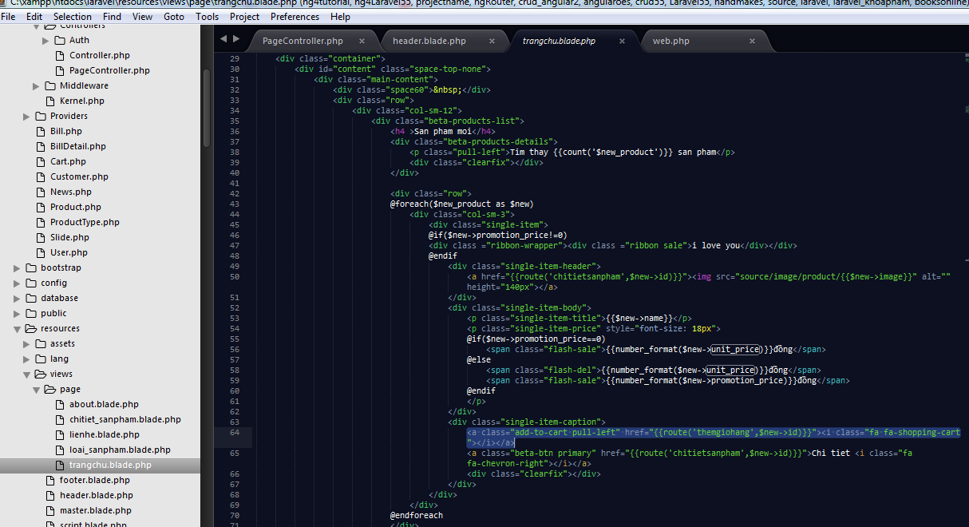
 |  |  |  |  |  |  |  |  |  |  |  |  |  |  |  |  |  | </li>
 |  |  |  |  |  |  |  |  |  |  |  |  |  |  |  |  |  | <li><a href="{{route('about')}}">Giới thiệu</a></li>
 |  |  |  |  |  |  |  |  |  |  |  |  |  |  |  |  |  | <li><a href="{{route('lienhe')}}">Liên hệ</a></li>
 |  |  |  |  |  |  |  |  |  |  |  |  |  |  |  |  | </ul>
 |  |  |  |  |  |  |  |  |  |  |  |  |  |  |  |  | <div class="clearfix"></div>
 |  |  |  |  |  |  |  |  |  |  |  |  |  |  |  | </nav>
 |  |  |  |  |  |  |  |  |  |  |  |  |  |  | </div> <!-- .container -->
 |  |  |  |  |  |  |  |  |  |  |  |  |  | </div> <!-- .header-bottom -->
 |  |  |  |  |  |  |  |  |  |  |  |  | </div> <!-- #header -->

Chung ta thuc hien dieu nay cho cac nut con lai cua cac trang khac nhe

 | Vi du

